Gross up
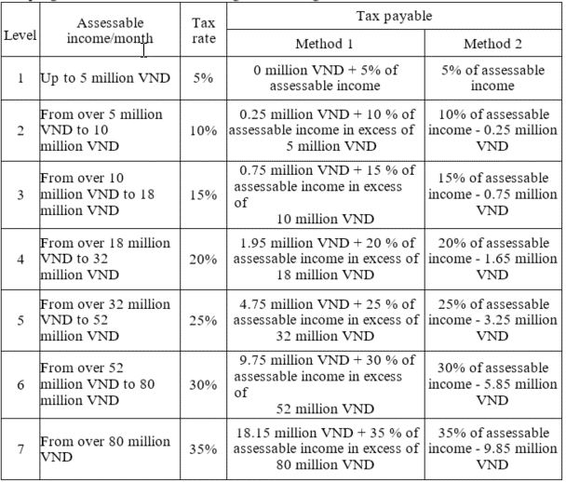
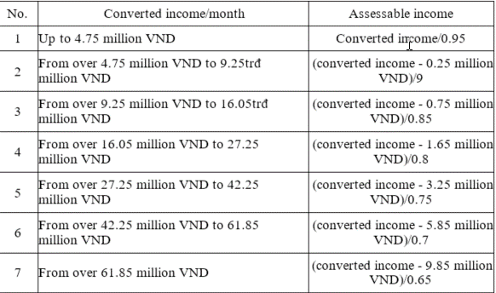
GROSSED UP |  |  | 79 | 56 |  | 20,294,925 |  |  |  | 32 | 55 |  |  |  |  |  | 248,176,416 | 27 |  |  | 9,581,329 |  |  |  | 29,876,253
 |  | 6 | x | x |  | Net benefits (VND) |  |  |  | x | x |  | (grossed up) | Column O & P the same |  |  |  | x |  |  | x |  |  |  | x
Month of payroll | v-number | Name | Monthly net (VND) | MI | ER | Net 1 | Net 2 | Net 3 | Total Net | Tax deduction (self and dependant) | HI | Converted Income/month | Accessible income (from net BIK) | Total Taxable Income | Total taxable income | Total accessible income | Total PIT payable | Employee's taxable income | Accessible income | Employee's PIT payable | PIT dif | Net + / - | Net-take-home (VND) | Net-take-home (USD) | Gross dif
May-19 |  | Staff 1 | 53,473,501 | - | 23,470 | 3,371,250 |  |  | 56,844,751 | 9,000,000 | 417,000 | 47,844,751 | 59,992,501 | 69,409,501 | 69,409,501 | 59,992,501 | 12,147,750 | 64,593,430 | 55,176,430 | 10,702,929 | 1,444,821 |  | 53,473,501 | 2,278.38 | 4,816,071

 |  | Staff 1 (GV version) |  |  |  | 53,473,501 |  |  | 53,473,501 | 9,000,000 |  | 44,473,501 | 55,176,430 | 64,176,430

